Simple
y-plot with generalized line
 | Graph Values
 | X | y | Plot | X.y | X^2
 | 1 | 1.50 | 1.91 | 1.50 | 1
 | 2 | 3.30 | 4.06 | 6.60 | 4
 | 3 | 6.50 | 6.20 | 19.50 | 9
 | 4 | 9.50 | 8.34 | 38.00 | 16
 | 5 | 11.60 | 10.49 | 58.00 | 25
 | 6 | 12.00 | 12.63 | 72.00 | 36
 | 7 | 14.00 | 14.77 | 98.00 | 49
Sums | 28 | 58.4 | 59.77 | 293.6 | 140

 | Equation | y = b * x + a

 | a = | -0.228571 |  | b = | 2.1428571
 | (y-intercept) |  |  | (slope)

 | Final Equation = |  |  | y = 2.1429 * x + (-0.22858)

Bill & Tips
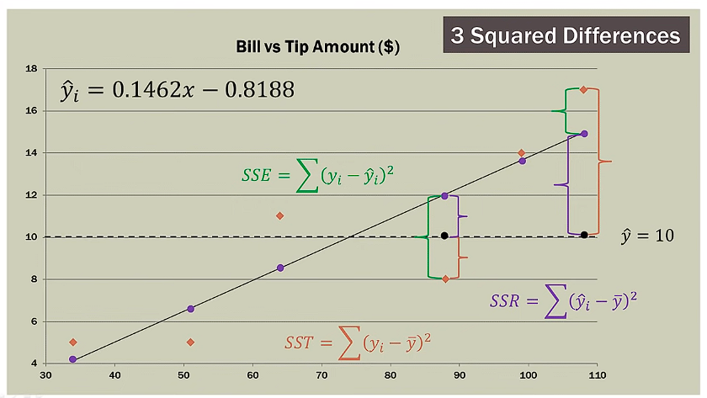
Bills and Tips Regression
Meal | Bill | Tips | Bill Deviation | Tips Deviation | Deviation Products | Deviations Squared | Predicted Amount | Error | Squared Error
 | (x) | (y) | (x - xmean) | (y - ymean) | (product) | (x - xmean)^2 | yi = b * x + b0 | y - yi | (y - yi)^2
1 | 34.00 | 5.00 | -40.00 | -5.00 | 200.00 | 1,600.00 | 4.15 | 0.85 | 0.72
2 | 108.00 | 17.00 | 34.00 | 7.00 | 238.00 | 1,156.00 | 14.97 | 2.03 | 4.11
3 | 64.00 | 11.00 | -10.00 | 1.00 | -10.00 | 100.00 | 8.54 | 2.46 | 6.06
4 | 88.00 | 8.00 | 14.00 | -2.00 | -28.00 | 196.00 | 12.05 | -4.05 | 16.38
5 | 99.00 | 14.00 | 25.00 | 4.00 | 100.00 | 625.00 | 13.66 | 0.34 | 0.12
6 | 51.00 | 5.00 | -23.00 | -5.00 | 115.00 | 529.00 | 6.64 | -1.64 | 2.68
Mean | 74.00 | 10.00 |  | Sum -> | 615.00 | 4,206.00 |  | SSE -> | 30.07
Tips vs Pred. Tips
b = | 0.1462 |  | b0 = | -0.82026

Reference
